Sheet1
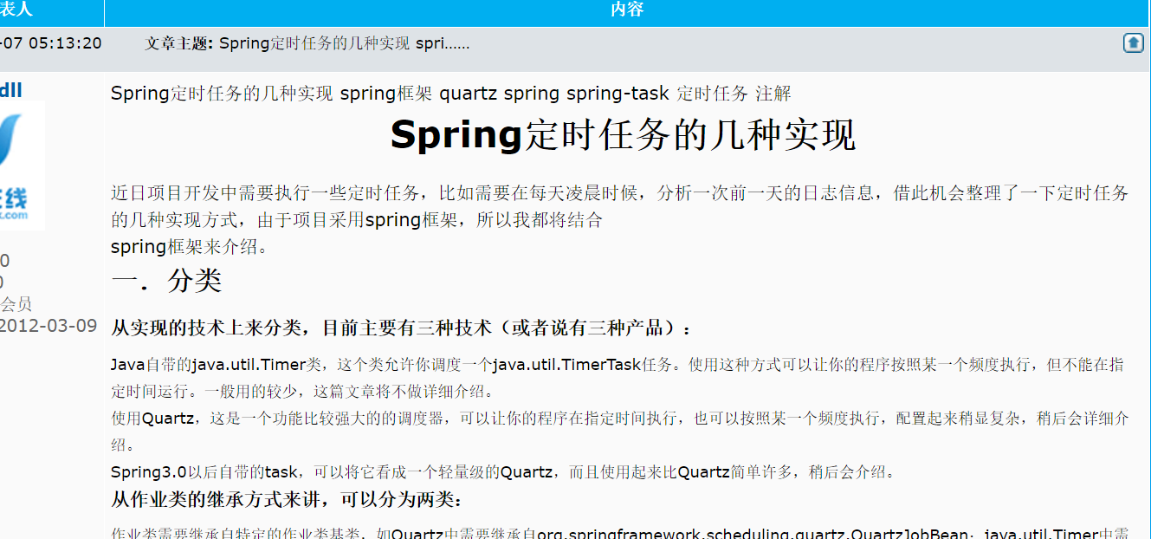
定时任务总结
http://sishuok.com/forum/posts/list/7260.html

